Biological Process Filtered
Fold Enrichment ≥ 2.5, FDR ≤ 0.01
GO biological process complete | GO ID | Homo sapiens - REFLIST | Number of Genes | Expected | Over/Under | Fold Enrichment | Raw P Value | FDR | GO ID | FDR
GTP metabolic process (GO:0046039) | (GO:0046039) | 32 | 12 | 2.6 | + | 4.61 | 6.91E-05 | 5.14E-03 | GO:0046039 | 5.14E-03
transcription initiation from RNA polymerase I promoter (GO:0006361) | (GO:0006361) | 37 | 13 | 3.01 | + | 4.32 | 6.00E-05 | 4.53E-03 | GO:0006361 | 4.53E-03
transcription by RNA polymerase I (GO:0006360) | (GO:0006360) | 40 | 13 | 3.25 | + | 3.99 | 1.15E-04 | 7.89E-03 | GO:0006360 | 7.89E-03
protein N-linked glycosylation (GO:0006487) | (GO:0006487) | 73 | 21 | 5.94 | + | 3.54 | 5.14E-06 | 5.70E-04 | GO:0006487 | 5.70E-04
COPII vesicle coating (GO:0048208) | (GO:0048208) | 63 | 17 | 5.13 | + | 3.32 | 7.79E-05 | 5.63E-03 | GO:0048208 | 5.63E-03
vesicle targeting, rough ER to cis-Golgi (GO:0048207) | (GO:0048207) | 63 | 17 | 5.13 | + | 3.32 | 7.79E-05 | 5.61E-03 | GO:0048207 | 5.61E-03
vesicle coating (GO:0006901) | (GO:0006901) | 67 | 18 | 5.45 | + | 3.3 | 5.09E-05 | 3.94E-03 | GO:0006901 | 3.94E-03
antigen processing and presentation of peptide antigen via MHC class II (GO:0002495) | (GO:0002495) | 99 | 26 | 8.05 | + | 3.23 | 1.73E-06 | 2.31E-04 | GO:0002495 | 2.31E-04
retrograde vesicle-mediated transport, Golgi to ER (GO:0006890) | (GO:0006890) | 84 | 22 | 6.83 | + | 3.22 | 1.10E-05 | 1.03E-03 | GO:0006890 | 1.03E-03
antigen processing and presentation of peptide or polysaccharide antigen via MHC class II (GO:0002504) | (GO:0002504) | 101 | 26 | 8.22 | + | 3.16 | 2.36E-06 | 2.98E-04 | GO:0002504 | 2.98E-04
vesicle targeting, to, from or within Golgi (GO:0048199) | (GO:0048199) | 70 | 18 | 5.7 | + | 3.16 | 8.22E-05 | 5.86E-03 | GO:0048199 | 5.86E-03
antigen processing and presentation of exogenous peptide antigen via MHC class II (GO:0019886) | (GO:0019886) | 98 | 25 | 7.97 | + | 3.14 | 4.20E-06 | 4.80E-04 | GO:0019886 | 4.80E-04
purine ribonucleoside metabolic process (GO:0046128) | (GO:0046128) | 71 | 18 | 5.78 | + | 3.12 | 9.59E-05 | 6.66E-03 | GO:0046128 | 6.66E-03
protein deacylation (GO:0035601) | (GO:0035601) | 72 | 18 | 5.86 | + | 3.07 | 1.12E-04 | 7.68E-03 | GO:0035601 | 7.68E-03
transcription-coupled nucleotide-excision repair (GO:0006283) | (GO:0006283) | 73 | 18 | 5.94 | + | 3.03 | 1.29E-04 | 8.64E-03 | GO:0006283 | 8.64E-03
macromolecule deacylation (GO:0098732) | (GO:0098732) | 73 | 18 | 5.94 | + | 3.03 | 1.29E-04 | 8.60E-03 | GO:0098732 | 8.60E-03
purine nucleoside metabolic process (GO:0042278) | (GO:0042278) | 74 | 18 | 6.02 | + | 2.99 | 1.50E-04 | 9.75E-03 | GO:0042278 | 9.75E-03
Golgi vesicle budding (GO:0048194) | (GO:0048194) | 81 | 19 | 6.59 | + | 2.88 | 1.49E-04 | 9.74E-03 | GO:0048194 | 9.74E-03
ER to Golgi vesicle-mediated transport (GO:0006888) | (GO:0006888) | 207 | 48 | 16.84 | + | 2.85 | 4.89E-09 | 1.05E-06 | GO:0006888 | 1.05E-06
antigen processing and presentation of exogenous peptide antigen (GO:0002478) | (GO:0002478) | 126 | 29 | 10.25 | + | 2.83 | 4.29E-06 | 4.85E-04 | GO:0002478 | 4.85E-04
developmental cell growth (GO:0048588) | (GO:0048588) | 87 | 20 | 7.08 | + | 2.83 | 1.28E-04 | 8.60E-03 | GO:0048588 | 8.60E-03
antigen processing and presentation of exogenous antigen (GO:0019884) | (GO:0019884) | 133 | 30 | 10.82 | + | 2.77 | 4.18E-06 | 4.80E-04 | GO:0019884 | 4.80E-04
antigen processing and presentation of peptide antigen (GO:0048002) | (GO:0048002) | 136 | 30 | 11.07 | + | 2.71 | 8.30E-06 | 8.31E-04 | GO:0048002 | 8.31E-04
Golgi vesicle transport (GO:0048193) | (GO:0048193) | 364 | 76 | 29.62 | + | 2.57 | 7.37E-12 | 2.40E-09 | GO:0048193 | 2.40E-09

Revigo cut down

GO biological process complete | GO ID | Homo sapiens - REFLIST | Number of Genes | Expected | Over/Under | Fold Enrichment | Raw P Value | FDR
antigen processing and presentation of peptide or polysaccharide antigen via MHC class II | GO:0002504 | 101 | 26 | 8.22 | + | 3.16 | 2.36E-06 | 2.98E-04
protein N-linked glycosylation | GO:0006487 | 73 | 21 | 5.94 | + | 3.54 | 5.14E-06 | 5.70E-04
Golgi vesicle transport | GO:0048193 | 364 | 76 | 29.62 | + | 2.57 | 7.37E-12 | 2.40E-09
transcription-coupled nucleotide-excision repair | GO:0006283 | 73 | 18 | 5.94 | + | 3.03 | 1.29E-04 | 8.64E-03
developmental cell growth | GO:0048588 | 87 | 20 | 7.08 | + | 2.83 | 1.28E-04 | 8.60E-03
transcription initiation from RNA polymerase I promoter | GO:0006361 | 37 | 13 | 3.01 | + | 4.32 | 6.00E-05 | 4.53E-03
transcription from RNA polymerase I promoter | GO:0006360 | 40 | 13 | 3.25 | + | 3.99 | 1.15E-04 | 7.89E-03
macromolecule deacylation | GO:0098732 | 73 | 18 | 5.94 | + | 3.03 | 1.29E-04 | 8.60E-03
protein deacylation | GO:0035601 | 72 | 18 | 5.86 | + | 3.07 | 1.12E-04 | 7.68E-03

Genes

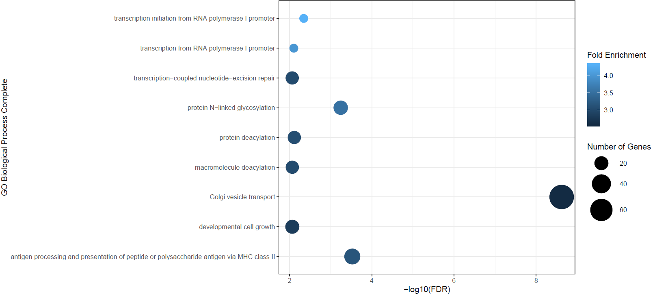
antigen processing and presentation of peptide or polysaccharide antigen via MHC class II | MARCH1, ACTR10, AP1B1, AP1S1, AP1S2, AP1S3, AP2B1, AP2S1, CAPZA1, CAPZA2, CAPZB, DCTN1, DCTN3, DCTN4, DCTN6, DYNC1I2, DYNC1LI1, DYNC1LI2, KIF2A, KIF3A, KIFAP3, OSBPL1A, RAB7A, SEC24B, SEC24D, TRAF6
protein N-linked glycosylation | ALG10, ALG10B, ALG11, ALG12, ALG5, ALG6, ALG9, B4GALT7, DPAGT1, ENTPD5, MAGT1, MGAT4A, OSTC, PGM3, PMM1, PMM2, ST3GAL1, STT3B, TUSC3, UGGT1, UGGT2
Golgi vesicle transport | ACTR10, ARCN1, ARFGAP1, ARFGAP1, ARL1, ARL3, BCAP29, BET1, CAPZA1, CAPZA2, CAPZB, CNIH1, CNIH4, COG7, COPB2, COPZ1, DCTN1, DCTN3, DCTN4, DCTN6, DOPEY1, DYNC1I2, DYNC1LI1, DYNC1LI2, EPS15, ERGIC1, ERGIC2, ERGIC3, EXOC1, EXOC2, EXOC5, EXOC6, EXOC6B, GOLGA4, GOLGA5, GOLPH3, GRIA1, HYOU1, KIF2A, KIF3A, KIFAP3, KLHL12, KLHL20, LMAN2, LMAN2L, NAPA, NBAS, PGAP1, PITPNB, PKD1, PPP6R3, RAB1A, RAB33B, RAB34, SCAMP1, SCFD1, SEC24B, SEC24D, SGSM2, SNX1, SORL1, SPTAN1, STX18, TAPBP, TBC1D14, TGFA, TMED10, TMED4, TRAPPC12, TRAPPC2, TRAPPC2B, TRAPPC2L, TRAPPC3, TRAPPC4, TRAPPC6B, TRIM23
transcription-coupled nucleotide-excision repair | CCNH, CDK7, COPS4, COPS8, CUL4B, GPS1, LIG3, MNAT1, POLR2C, POLR2E, POLR2F, POLR2H, PRPF19, RFC2, RFC4, RFC5, RPA1, TCEA1
developmental cell growth | APP, ARIH2, BDNF, CDK5, COBL, CYFIP1, CYFIP2, DCLK1, DCX, FLRT3, IQGAP1, KMT2D, LAMB2, MAP2K4, SEMA7A, SIRT6, SLIT2, TGFBR2, ULK2, ZEB2
transcription initiation from RNA polymerase I promoter | CAST, CCNH, CDK7, MNAT1, POLR1B, POLR1C, POLR2E, POLR2F, POLR2H, RPA1, RRN3, SMARCB1, TBP
transcription from RNA polymerase I promoter | CAST, CCNH, CDK7, MNAT1, POLR1B, POLR1C, POLR2E, POLR2F, POLR2H, RPA1, RRN3, SMARCB1, TBP
macromolecule deacylation | ABHD12, ABHD13, HDAC1, HDAC2, HDAC8, LYPLA1, MIER1, MIER3, MORF4L2, MSL3, MTA1, RBM14, SIRT2, SIRT6, SMARCAD1, TBL1X, TBL1XR1, TBL1Y
protein deacylation | ABHD12, ABHD13, HDAC1, HDAC2, HDAC8, LYPLA1, MIER1, MIER3, MORF4L2, MSL3, MTA1, RBM14, SIRT2, SIRT6, SMARCAD1, TBL1X, TBL1XR1, TBL1Y

